Sheet1
Test Scenario | Test Case Id | Test Case Name | Preconditions | Test Case Steps | Test Data | Attachment | Expected Result | Priority | Run Result
Add course screen fields existence and functionality | TC1 | Verify the Title, Price, Type, Description fileds and Submit button existence on Add Course screen | Opened application, Logged in admin user -> Home page -> Add course | 1.Check the Title, Price, Type, Description fileds and Submit button existence | admin user: mmanukyan, password:123456789 |  | All noted fields and submit button are available | High
 | TC2 | Verify Title field with valid and invalid data | Opened application Logged in admin user (admin user: mmanukyan, password:123456789)-> Home page -> Add course Other fields are completed with valid datas | 1.Input valid data and click submit 2.Input invalid data1 and click submit 3.Input invalid data2 and click submit | valid data: up to 50 alphabetical characters invalid data1: more than 50 alphabetical characters invalid data2: non alphabetical characters |  | 1.Data successfully submitted 2.incorrect filling message near this field 3.incorrect filling message near this field | High
 | TC3 | Verify Price field with valid and invalid data | Opened application Logged in admin user(admin user: mmanukyan, password:123456789) -> Home page -> Add course Other fields are completed with valid datas | 1.Input valid data and click submit 2.Input invalid data1 and click submit 3.Input invalid data2 and click submit | valid data: only numbers(int/float/decimal) invalid data1:letters invalid data2:symbols |  | 1.Data successfully submitted 2.incorrect filling message near this field 3.incorrect filling message near this field | High
 | TC4 | Verify Type field with valid and invalid data | Opened application Logged in admin user -> Home page -> Add course Other fields are completed with valid datas | 1.Click on Type field 2.Check drop down 2 types: Fundamental and Advanced availability | - |  | 1.Opened drop down list 2.There are 2 available types | High
 | TC5 | Verify Descrription field with valid and invalid data | Opened application Logged in admin user(admin user: mmanukyan, password:123456789) -> Home page -> Add course Other fields are completed with valid datas | 1.input valid data and click submit 2.Input invalid data and click submit | valid data: Any characters, up to 250 invalid data:Any characters, more than 250 |  | 1.Data successfully submitted 2.incorrect filling message near this field | High
 | TC6 | Verify Submit button functionality | Opened application Logged in admin user(admin user: mmanukyan, password:123456789) -> Home page -> Add course All fields are completed with valid datas | 1.Click on Submit | - |  | 1.User redirects to Home page, where added course is visible. | High
 | TC7 | Verify that Submit button is orange | Opened application, Logged in admin user(admin user: mmanukyan, password:123456789) -> Home page -> Add course | 1.Verify that Submit button is orange | - |  | 1. Submit button is orange | low

Title link checking | TC8 | Verify that title is a link | Opened application, Logged in admin user(admin user: mmanukyan, password:123456789) -> Home page ->Courses->Advanced or Fundamental (Should ask about title is a link, on what page?) | 1.Navigate on title 2.Click on title | - |  | 1.the mouse must be turned into a hand 2.Admin redirects to Edit/delete screen | high

Edit button checking | TC9 | Verify that after clicking on Edit button, user redirects to Edit Course page | Opened application, Logged in admin user(admin user: mmanukyan, password:123456789) -> Home page ->Courses->Advanced or Fundamental ->Course is chosen by clicking on title | 1.Click on edit button | - |  | 1.User redirects to Edit Course page | Medium

Edit course page | TC10 | Verify that edit course page contains Title and Description fields, Submit button. | Opened application, Logged in admin user(admin user: mmanukyan, password:123456789) -> Home page ->Courses->Advanced or Fundamental ->Course is chosen by clicking on title->Edit | 1.check Title, Description fields availability and submit button existence | - |  | Edit Course page contains Title and Description fields, Submit button | high
 | TC11 | Verify edit course page Submit button functional | Opened application, Logged in admin user(admin user: mmanukyan, password:123456789) -> Home page ->Courses->Advanced or Fundamental ->Course is chosen by clicking on title->Edit | 1.Fill in Title and Description fields(or change if filled) 2.click on submit | - |  | After submission, User get 'Your changes are done' message and redirects to Courses page | high

Delete button checking | TC12 | Verify that after clicking on Delete button, admin redirects to Courses page, "Course is deleted" message displays | Opened application, Logged in admin user(admin user: mmanukyan, password:123456789) -> Home page ->Courses->Advanced or Fundamental ->Course is chosen by clicking on title | 1.Click on delete button | - |  | 1.User redirects to Courses page, "Course is deleted" message displays | Medium

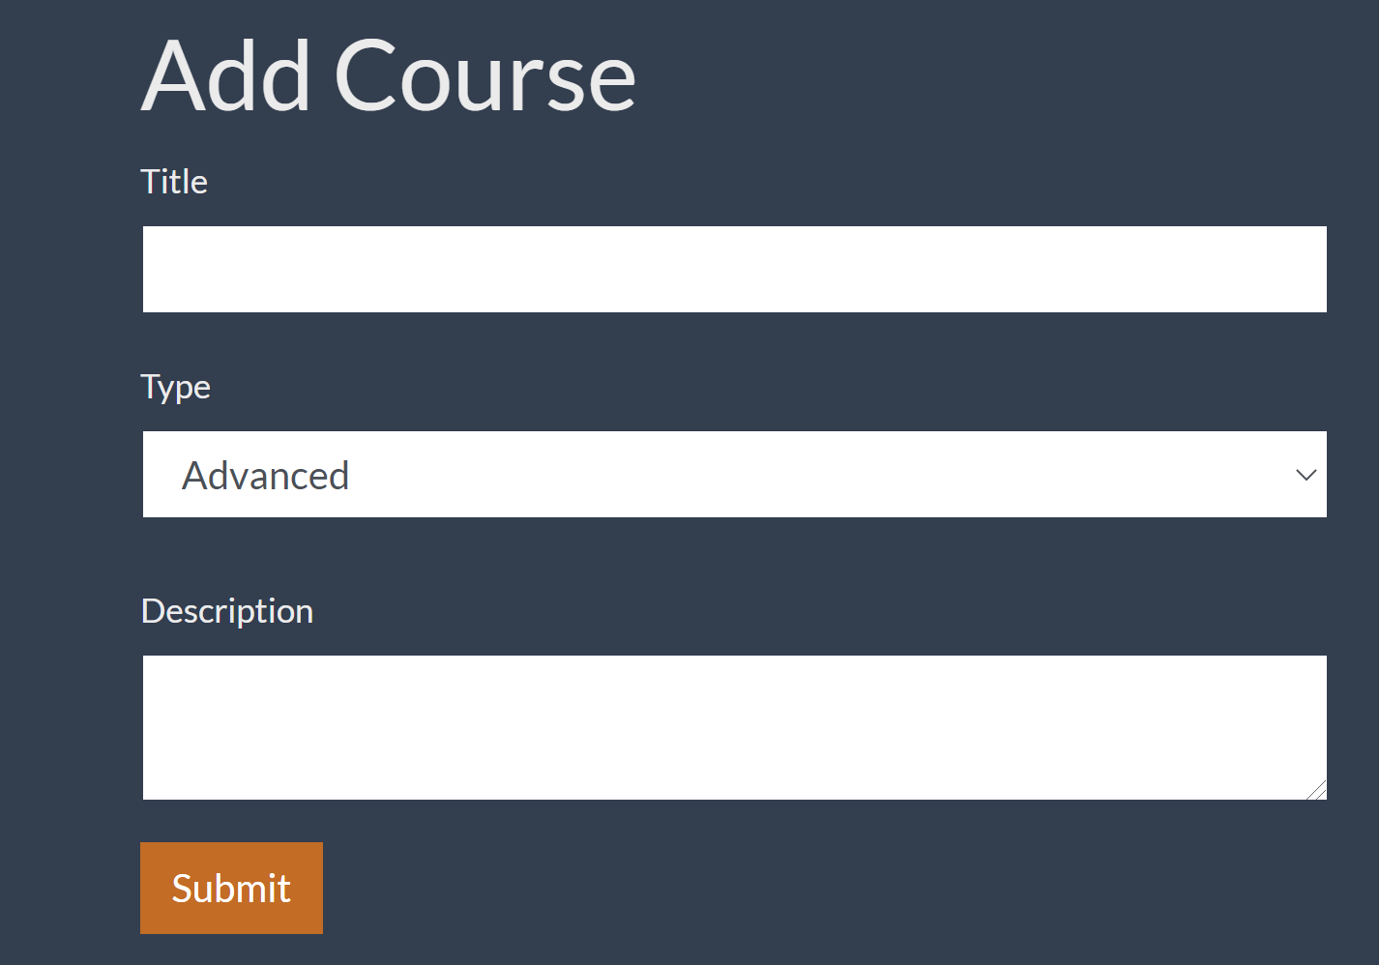
Readable and well structured test cases
Test coverage is ok

As a admin I want to be able add new course, edit or delete.

Acceptance Criteria

1. Add Course screen should have 4 fields: Title, Price, Type, Description and Submit button(User can ad course from Home screen)

1. Title - System should allow alphabetical, up to 50 characters

2. Price - System should allow only numbers(int/float/decimal)

3. Type - Drop down should contain 2 types: Fundamental and Advanced

4. Description - Any characters, up to 250
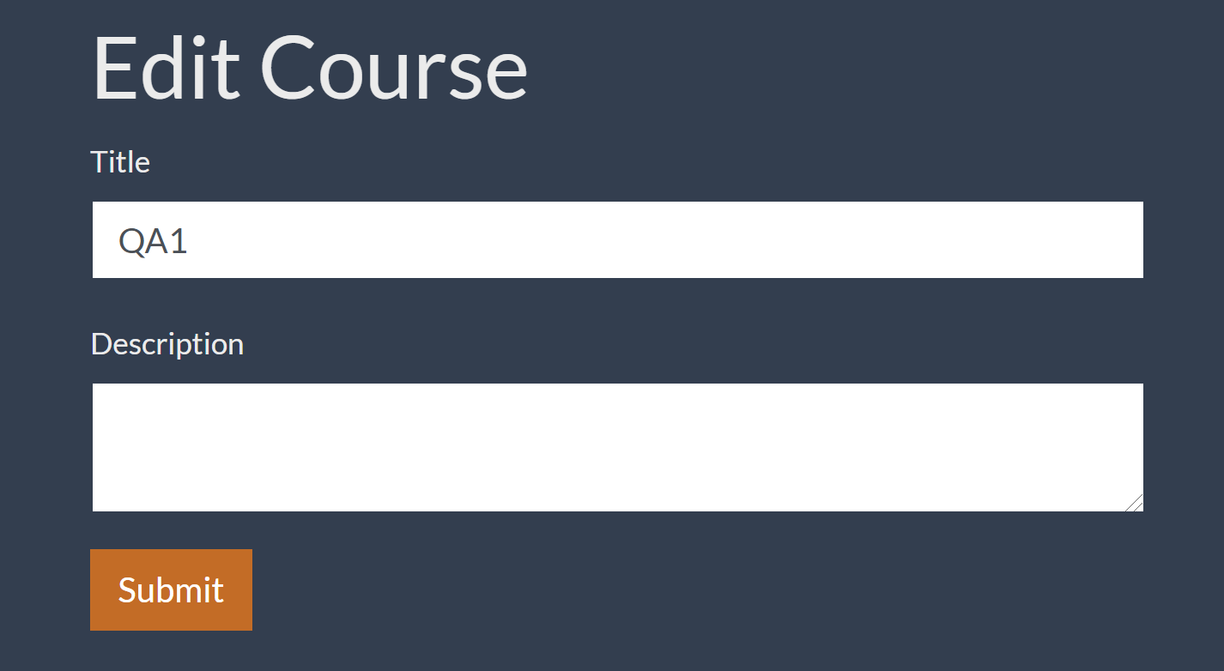
5. Submit button - Should be in orange color.

6. After adding new course, user redirects to Home page, where all courses are visible.

Admin user

1. Title is link

2. After clicking on Title, admin redirects to Edit/delete screen

3. After clicking on Edit button, user redirects to Edit Course page. Page contains Title and Description fields, Submit button.

4. After submission, User get 'Your changes are done' message and redirects to Courses page.

5. After clicking on Delete button, admin redirects to Courses page, "Course is deleted" message displays.

